Dashboard
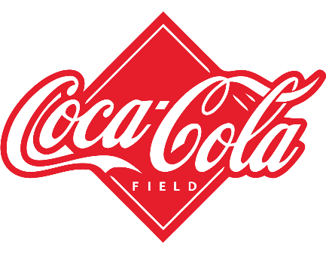
American Coca-Cola Retailers Beverage Sales & Operating Margin 2021
Sale BY BEVERAGE Brand
 | Total
Coca-Cola | $2,015,890.00
Dasani Water | $1,725,837.50
Diet Coke | $1,481,425.00
Fanta | $1,031,650.00
Powerade | $1,193,637.50
Sprite | $1,235,587.50
Total Sales | Total Units Sold | Total Operating Profit
$8,684,027.50 | 17148250 | $3,173,631.88
Sales Percentage By Region
 | Total
Midwest | 1150110
Northeast | 1788347.5
South | 1291535
Southeast | 1618935
West | 2835100
Total Sale By Month
 | Total
Jan | $1,347,750.00
Feb | $1,274,250.00
Mar | $1,204,250.00
Apr | $1,175,750.00
May | $1,355,000.00
Jun | $1,624,750.00
Jul | $1,762,500.00
Aug | $1,654,000.00
Sep | $1,377,250.00
Oct | $1,253,250.00
Nov | $1,442,500.00
Dec | $1,677,000.00

Top City By Revenue and Units Sold
 | Units Sold | Total Sales
Atlanta | 579350 | $292,210
Charleston | 661950 | $309,200
Houston | 566000 | $238,850
Miami | 597850 | $319,025
New York | 706600 | $391,768
Avg Operating Margin Based On Beverage Brand
 | Total
Coca-Cola | 39%
Dasani Water | 39%
Diet Coke | 34%
Fanta | 36%
Powerade | 35%
Sprite | 35%
Total Sales By Region
 | Total
Midwest | 1150110
Northeast | 1788347.5
South | 1291535
Southeast | 1618935
West | 2835100

This Photo by Unknown Author is licensed under CC BY-NC

